How to Use the Budget Worksheet
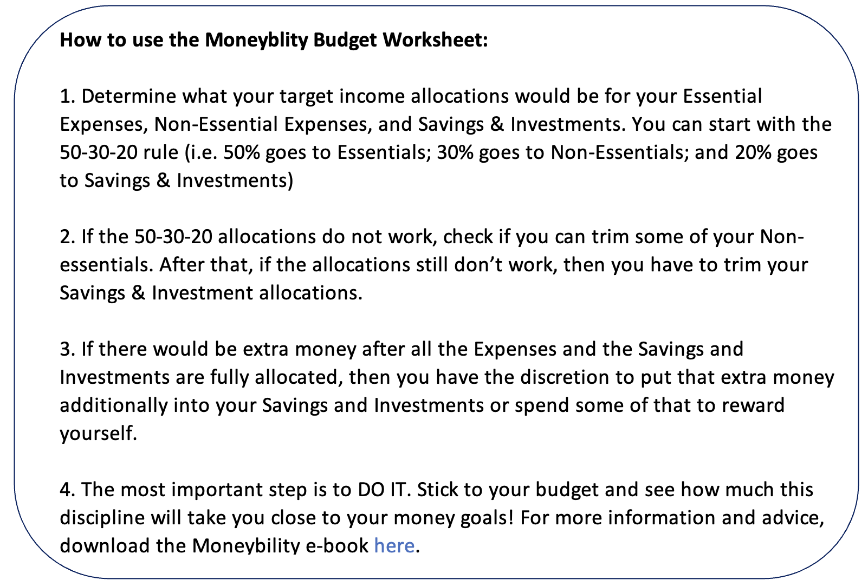
Moneybility

Moneybility Budget Worksheet
Moneybility
Budget Worksheet

Note: Input line items and amounts in white cells only.
The current line items under Income, Expenses and Saving and Investments are samples only.

Title: _______________________________

Income | Budget | Actual | Difference | Budget Summary | Budget | Actual | Difference
My income | 0.00 | 0.00 | 0.00 | Total income | 0.00 | 0.00 | 0.00
Partner's income (if available) | 0.00 | 0.00 | 0.00 | Less: Total expenses | 0.00 | 0.00 | 0.00
Other income (side hustles) | 0.00 | 0.00 | 0.00 | Total essential expenses | 0.00 | 0.00 | 0.00
Other | 0.00 | 0.00 | 0.00 | Total non-essential expenses | 0.00 | 0.00 | 0.00
Other | 0.00 | 0.00 | 0.00 | Less: Total savings and investments | 0.00 | 0.00 | 0.00
Total income | 0.00 | 0.00 | 0.00 | Extra or Lacking Money* | 0.00 | 0.00
 |  |  |  | * For the Extra or Lacking Money line item: - If this is a positive value, then you have extra money to add to your savings or spend some (or all of it) to reward yourself. - If this is a negative value, then you may be overspending - review your expenses and see where you can trim some non-essentials or lower your savings & investment allocations (with the goal of raising that to a higher proportion someday).
Essential Expenses | Budget | Actual | Difference
Home rent/mortgage | 0.00 | 0.00 | 0.00
Food (Groceries and pampalengke) | 0.00 | 0.00 | 0.00
Electricity, Water | 0.00 | 0.00 | 0.00
Transportation (Gas, maintenance, fare) | 0.00 | 0.00 | 0.00
Education (Tuition Fee and related costs) | 0.00 | 0.00 | 0.00
Mobile phone service | 0.00 | 0.00 | 0.00
Internet | 0.00 | 0.00 | 0.00
Grooming (clothes, shoes) | 0.00 | 0.00 | 0.00
Medical/Health (doctor visit, prescriptions) | 0.00 | 0.00 | 0.00
Other Home Supplies/Expenses (Pets) | 0.00 | 0.00 | 0.00
Other | 0.00 | 0.00 | 0.00
Other | 0.00 | 0.00 | 0.00
Other | 0.00 | 0.00 | 0.00
Total essential expenses | 0.00 | 0.00 | 0.00
Proportions | 0% | 0%


Non-essential Expenses | Budget | Actual | Difference
Shopping (luxury items) | 0.00 | 0.00 | 0.00
Entertainment (subscriptions, activities) | 0.00 | 0.00 | 0.00
Personal Care (beauty salon, spa) | 0.00 | 0.00 | 0.00
Travel/Vacation | 0.00 | 0.00 | 0.00
Other | 0.00 | 0.00 | 0.00
Other | 0.00 | 0.00 | 0.00
Other | 0.00 | 0.00 | 0.00
Total non-essential expenses | 0.00 | 0.00 | 0.00
Proportions | 0% | 0%

Savings and Investments | Budget | Actual | Difference
Emergency Fund (includes medical/health) | 0.00 | 0.00 | 0.00
Investments (time deposit, mutual funds, UITFs) | 0.00 | 0.00 | 0.00
Giving (donations) | 0.00 | 0.00 | 0.00
Other | 0.00 | 0.00 | 0.00
Other | 0.00 | 0.00 | 0.00
Other | 0.00 | 0.00 | 0.00
Total savings and investments | 0.00 | 0.00 | 0.00
Proportions | 0% | 0%

